Main Flow
Landing Page- Decision of Business or Career Advice

Help with Small Business -
1. ) Advice on Business
2.) I want to ask a question
3.) Resources
4.) Classroom
5.) About Us
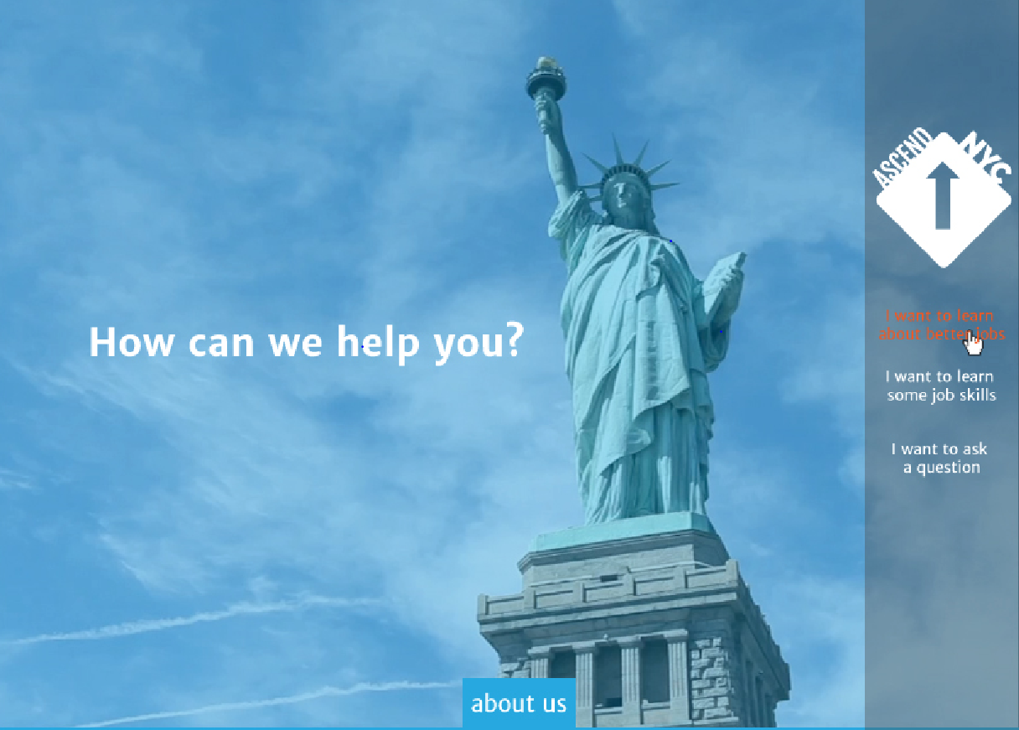
Finding a better job -
1. ) Learn about different jobs
2.) I want to ask a question
3.) Resources
4.) Classroom
5.) About Us

Ask a Question -
Top Bar
- Bar to search existing Questions
2 Tabs
- Questions
- Answers
New Question Bar
- Pop out form to fill questions
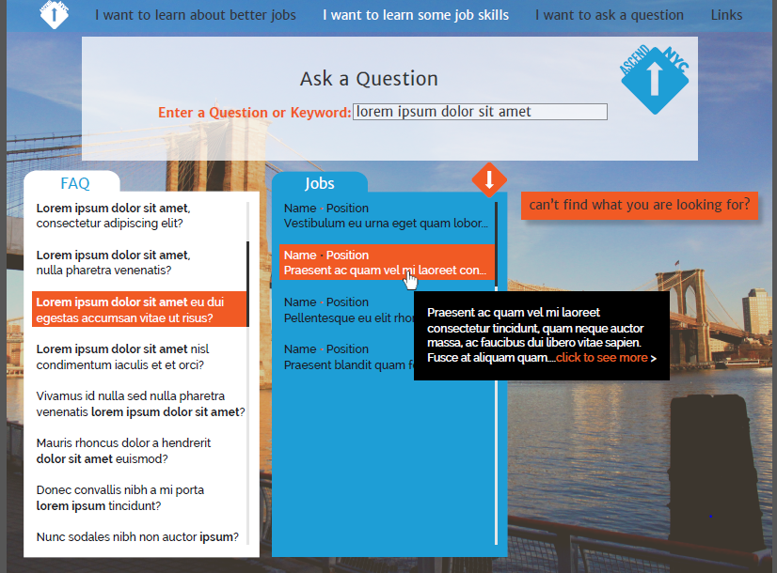
Ask a Question -
Top Bar
- Bar to search existing Questions
2 Tabs
- Questions
- Answers
New Question Bar
- Pop out form to fill questions
Learn about different jobs
Top Bar
- Search function to find different jobs
-Filters for Education Level
3 Tabs
- List of Industries
- List of Jobs
- Job description of Jobs and link to Ask a Question

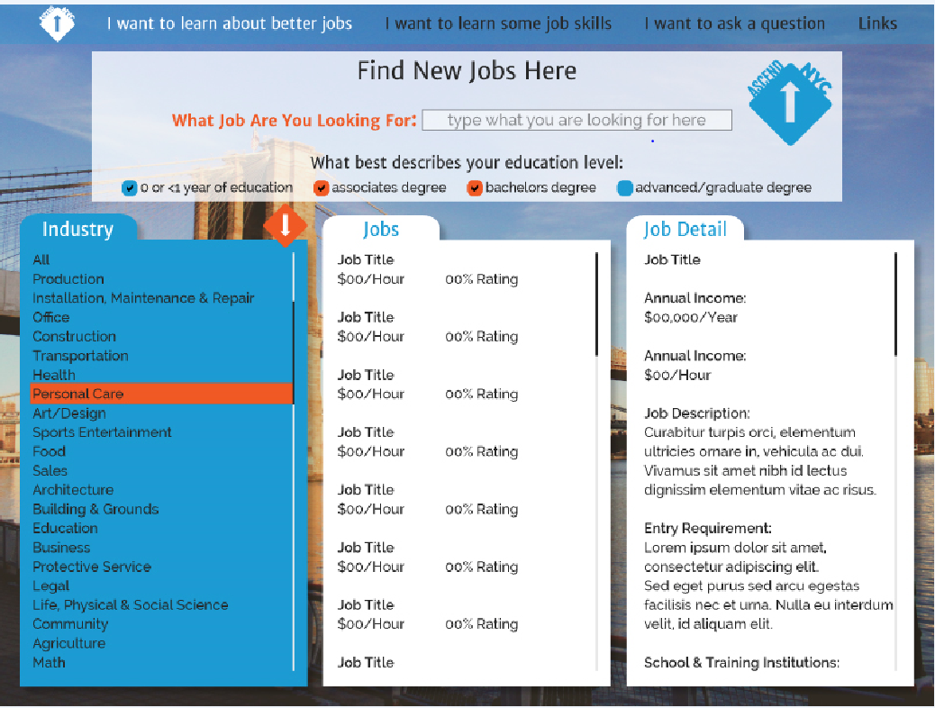

Top Bar
- Search function to find different topics
-Filters for Start a business, Help with current business, Credit/loan
3 Tabs- the headers of the tabs will be dependent on the first topic picked

Resources -
Top Bar:
Live resources: Job Fairs and Networking events coming soon.
Calendar of events
3 tabs - similar to the 3 bars in the other screens but the name of bar would be different according to the resource selected in the first bar. ex: schools >NYC burrough> list of schools vs Unions> Trade>List of Union contact info

Resources -
Top Bar:
Live resources: Networking events coming soon.
Calendar of events
3 tabs - similar to the 3 bars in the other screens but the name of bar would be different according to the resource selected in the first bar. ex: schools >NYC burrough> list of schools vs Unions> Trade>List of Union contact info

Classroom -
Online videos from Youtube that are organized by one or two levels
Classroom -
Online videos from Youtube that are organized by one or two levels

